VERSACE COLLECTION
VERSACE COLLECTION

MADE IN | REF. |  |  | sku | DESCR. COLOUR | COMP. | DESCR.PARTE | YOUR PRICE | Retail price | Q.TY | BARCODE
INDIA | V93129S | VM00043 | V000N | V93129S_VM00043_V000N | BLACK | 100%LE | VITELLO SAFFIANO | € 90.00 | € 450.00 | 1,710 | 8055764880674 | 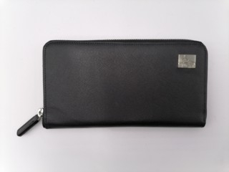 | 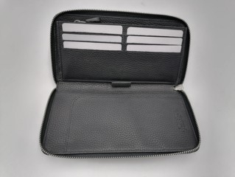 | 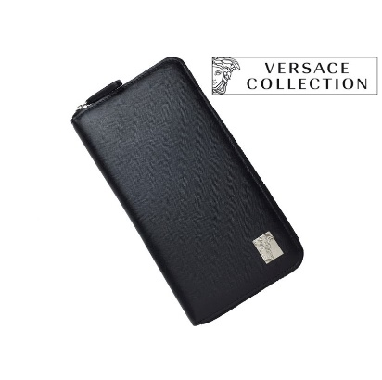 | 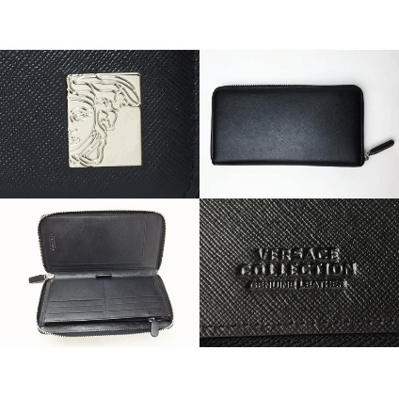
INDIA | V93129S | VM00260 | V000N | V93129S_VM00260_V000N | BLACK | 100% LE | VITELLO ST. ALCE | € 90.00 | € 450.00 | 94 | 8055764880674 | 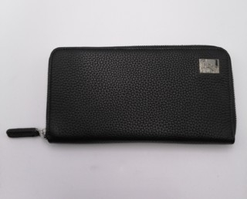
 |  |  |  |  |  |  |  |  |  | 1,804

